Sheet1


M/S Fakhri Brothers |  |  |  |  | 16-Nov-24

PO # 13478

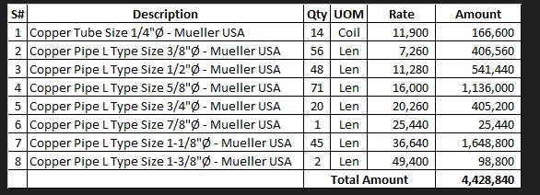
Att: Mr. Arbab

PURCHASE ORDER

Supply of Mueller Brand Copper pipe for the project NICVD
S No. | D e s c r i p t i o n | Qty | Unit | Rate | Amount
 | Brand: Mueller USA |  |  |  |  | 575,000
1 | Supply of Copper tube size 1/4" Dia | 14 | Coil | 11,900 | 166,600
2 | Supply of Copper L-Type Mueller USA 3/8" Dia | 56 | Len | 7,260 | 406,560
3 | Supply of Copper L-Type Mueller USA 1/2" Dia | 48 | Len | 11,280 | 541,440
4 | Supply of Copper L-Type Mueller USA 5/8" Dia | 71 | Len | 16,000 | 1,136,000
5 | Supply of Copper L-Type Mueller USA 3/4" Dia | 20 | Len | 20,260 | 405,200
6 | Supply of Copper L-Type Mueller USA 7/8" Dia | 1 | Len | 25,440 | 25,440
7 | Supply of Copper L-Type Mueller USA 1-1/8" Dia | 45 | Len | 36,640 | 1,648,800
8 | Supply of Copper L-Type Mueller USA 1-3/8" Dia | 2 | Len | 49,400 | 98,800
 |  | TOTAL: |  |  | 4,428,840
Discount 4% |  |  |  |  | 177,154
Total amount |  |  |  |  | 4,251,686

Note: This PO is subject to the consultant's approval.

for Pioneer Services

